AFP Questions
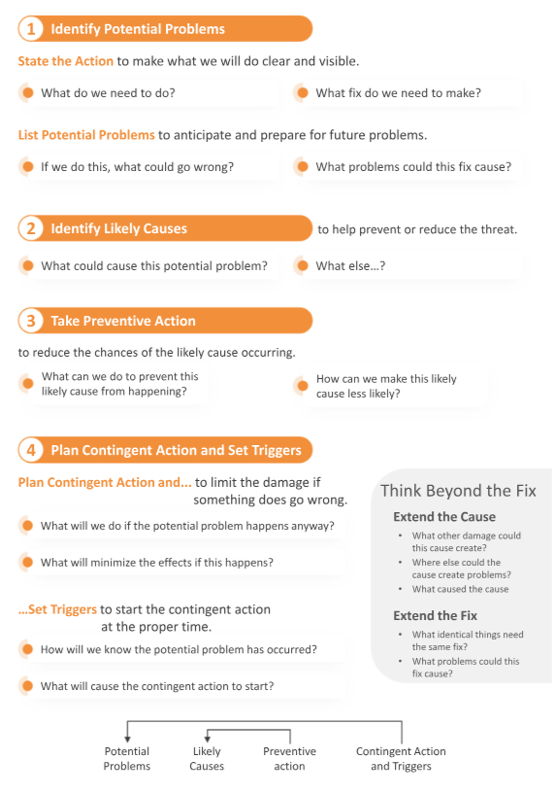

AFP Example
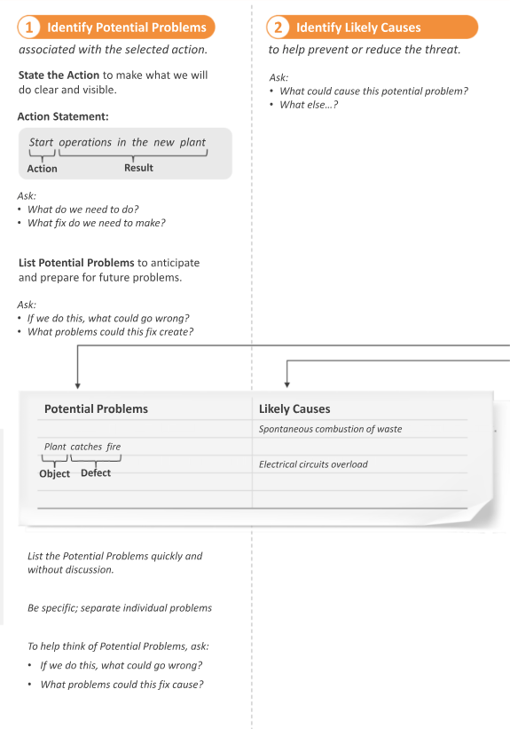
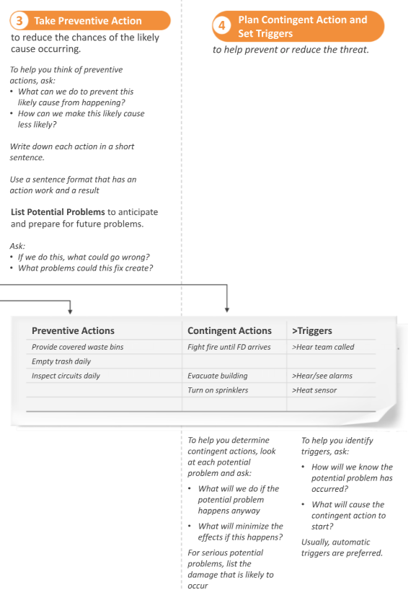
Plan Contingent Action to limit the damage if something goes wrong
Ask:
● What will we do if the potential problem happens?
● What will minimize the effects?
Set Triggers to start the contingent action at the proper time
Ask:
● How will we know the potential problem has occurred?
● What will cause the contingent action to start?

to reduce damage if the potential problem occurs

